1. Title Page
[Project Name]

Project Name: Instacart Grocery Basket Analysis
Date: February 2025
Analyst Name: Luis Dunning

Contents:
Population Flow
Consistency checks
Wrangling steps
Column derivations
Visualizations
Recommendations

Data Source: “The Instacart Online Grocery Shopping Dataset 2017”, Accessed from www.instacart.com/datasets/grocery-shopping-2017 via Kaggle on 10.28.2024.

The customer data you explored, as well as the “prices” column in the products data set, were both fabricated for the purpose of this course

2. Population Flow
Title page

Population flow

Exclusion flag
Condition: max_order < 5
Obervations to be removed: 27,759,705
Value in 'Price" column
Observation to be removed: 4,877
Final total count of order_products_all: 30959687

Orders_products_combined
Orders_products_merged
Orders_products_all

Total: 32404859
Total: 32434489
Total: 32404859

1.) The grey boxes in the first row of the population flow represent the original data sets as they were when you downloaded them. In the Total fields you need to add the count of the rows when you imported the data set into Jupyter.
2.) The second row of boxes (coloured) represents the data sets after you manipulated them, e.g., removed missing values and duplicates. In the Total fields you need to add the count of the rows after conducting these operations. This offers a visual oveview of how the data flows throughout the data consistency checks.
3.) The third row, where also the arrows are coloured, represents the merges you performed between the datasets. In the Total fields you need to add the count of the rows in the merged datasets, so that you end up with the final dataset (in the red box). Keep in mind the final dataset should be without exclusions (based on the exclusion flag).

3. Consistency checks
 |  |  |  | Title page
Consistency checks

Dataset | Missing values | Missing values treatment | Duplicates
orders | ['days_since_last_order'] (206209) | Added a new column: 'first_order' as flag variable | No duplicates found
products | ['product_name'] (16) | Missing values removed | Dropped 5 dulplicat rows
orders_products_prior | No missing values | N/a | No duplicates found
customers | No missing values | N/a | No duplicates found
 | ['prices'] filler values:14900.0 & 99999.0 (4877) | filler values removed | No duplicates found

4. Wrangling steps
 |  |  |  |  |  | Title page
Wrangling steps

Data Set | Columns dropped | Rows dropped | Columns renamed | Columns' type changed | Comment/Reason
orders.csv | ['eval_set'] |  |  |  | irrelevant to the analysis
 |  |  | order_dow ---> order_day_of_the_week |  | for easy readiness
 |  |  | days_since_prior_order ---> days_since_last_order |  | for easy readiness
 |  |  |  | ['User_id'] | changed from numerical to string
 |  |  |  | ['order_id'] | changed from numerical to string
customer.csv |  |  | First Name ---> first_name
 |  |  | Surnam ---> surname
 |  |  | Gender ---> gender
 |  |  | STATE ---> state
 |  |  | Age ---> age
 |  |  | fam_status ---> marital_status
 |  |  |  | ['user_id'] | changed from int64 ---> object (str) for the merge (key column)
 |  |  |  | ['first_name'] | changed from mixed data type ---> object (str)
 |  |  |  | ['n_dependants'] | changed from int64 ---> int32, downsize data set
 |  |  |  | ['income'] | changed from int64 ---> int32, downsize data set
ords_prods_merged.pkl | ['_merge']
 | ['match']
ords_prods_customer_merged.pkl | ['match'] | ['activity_flag'] == low-activity customer (27,759,705) |  |  | drop column prior to the merge with department data
 | ['Unnamed: 0'] |  |  |  | drop column prior to the merge with department data
 |  |  |  | ['age'] | change from string ('O') to int16 for analysis

5. Column derivations
Column derivations and aggregations

Dataset | New column | Column/s it was derived from | Conditions
ords_prods_merge.pkl | ['_match'] |  | inner merge
ords_prods_derived.pkl | ['_merge'] |  | inner merge
 | ['price_range_loc'] | price | ['prices'] > 15/ High-range product
 |  |  | ['prices'] <= 15 & >8 / Mid-range product
 |  |  | ['prices'] <= 8/ Low-range product
 | ['busiest_day'] | order_day_of_the_week | ['order_day_of_week'] ==0/ busiest day
 |  |  | ['order_day_of_week'] ==4/ least busy day
 |  |  | ELSE / regular busy
 | ['busiest_period_of_the_day'] | order_hour_of_day | ['order_hour_of_day'] in {9,16,12,13,14,15,11,10} /most orders
 |  |  | \ ['order_hour_of_day'] in {5,2,4,3}/ fewest orders
 |  |  | ELSE / average orders
ords_prods_aggregated.pkl | ['max_order'] | order_number | maximum order per user
 |  |  | df.groupby ('user_id') ['order_number'].transform('max')
 | ['order_volume_flag'] | max_order | ['max_order'] >= 30/ high volume
 |  |  | ['max_order'] < 30 & > 5/ regular volume
 |  |  | ['max_order'] <= 5/ low volume
 | ['avg_order_price'] | prices | average order price per user
 | ['spender_type'] | avg_order_price | threshold = ['avg_order_price'].mean() + ['avg_order_price'].std()
 |  |  | ['avg_order_price'] < threshold / low spender
 |  |  | ['avg_order_price'] >= threshold/ high spender
 | ['median_of_regularity'] | days_since_last_order | median of 'days_since_last_order
 | ['consumer_type'] | median_of_regularity | ['median_of_regularity'] >= 14/ infrequent consumer
 |  |  | ['median_of_regularity'] >= 8 & <14/ occasional consumer
 |  |  | ['median_of_regularity'] < 8 / recurring consumer
 | ['loyalty_flag'] | ['spender_type'] | (['order_volume_flag']) == high volume/ regular volume). & (['spender_type'] == high spender) &. (['consumer_type'] == recurring consumer) -----> 'loyal'
 |  | ['order_volume_flag']
 |  | ['consumer_type']
 |  |  | ELSE / Not loyal
orders_products_customers_merged.pkl | ['region'] | state | Northeast_states = ['Maine', 'New Hampshire', 'Vermont', 'Massachusetts', 'Rhode Island', 'Connecticut', 'New York', 'Pennsylvania', 'New Jersey']
 |  |  | Midwest_states = ['Wisconsin', 'Michigan', 'Illinois', 'Indiana', 'Ohio', 'North Dakota', 'South Dakota', 'Nebraska', 'Kansas', 'Minnesota', 'Iowa', 'Missouri']
 |  |  | Southern_states = ['Delaware', 'Maryland', 'District of Columbia', 'Virginia', 'West Virginia', 'North Carolina', 'South Carolina', 'Georgia', 'Florida', 'Kentucky', 'Tennessee', 'Mississippi', 'Alabama', 'Oklahoma', 'Texas', 'Arkansas', 'Louisiana']
 |  |  | Western_states = ['Idaho', 'Montana', 'Wyoming', 'Nevada', 'Utah', 'Colorado', 'Arizona', 'New Mexico', 'Alaska','Washington', 'Oregon', 'California', 'Hawaii']
 | ['activity_flag'] | max_order | ['max_order'] <5 , 'activity_flag'] = 'low-activity customer'
 |  |  | ['max_order'] >= 5, 'activity_flag'] = 'high-activity customer'
 | ['income_group'] | income | Northeast_states :
 |  |  | ['income'] <=45540, 'low-income'
 |  |  | ['income'] > 45540<150000 , 'middle-income'
 |  |  | ['income'] >150000 , 'high-income'
 |  |  | Midwest_states :
 |  |  | ['income'] <=44100, 'low-income'
 |  |  | ['income'] > 44100<150000 , 'middle-income'
 |  |  | ['income'] >150000 , 'high-income'
 |  |  | Southern_states :
 |  |  | ['income'] <=40670, 'low-income'
 |  |  | ['income'] > 40670<150000 , 'middle-income'
 |  |  | ['income'] >150000 , 'high-income'
 |  |  | Western_states :
 |  |  | ['income'] <=42930, 'low-income'
 |  |  | ['income'] > 42930<150000 , 'middle-income'
 |  |  | ['income'] >150000 , 'high-income'
 | ['age_group'] | age | ['age'] < 25 , 'young adult'
 |  |  | ['age'] >= 25 < 40 , 'adult'
 |  |  | ['age'] >= 40 < 60 , 'middel-aged'
 |  |  | ['age'] >= 60 , 'senior'
 | ['dependants_flag'] | n_dependants | ['n_dependants'] = 0 , 'No dependants'
 |  |  | ['n_dependants'] > 0 , 'With dependants'
cus_profile | ['payment_per_order'] | user_id, order_number, loyalty_flag, spending_flag, region, age_group, income_group, dependents_flag, days_since_last_order, price | This gets the sum of prices per order, grouped by user_id, order_number, loyalty_flag, spender_type, region,age_group, marital_status, income_group, dependents_flag, days_since_prior_order

6. Visualizations
 |  |  | Title page

Visualisations

In this tab you should include all the visualtions from Exercises 4.9 and 4.10, alongside the questions from the project brief that they answer. Include any commentary on the relationship between different variables.

Key Questions

 | What the busiest days of the week and hours of the day are? (i.e., the days and times with the most orders)
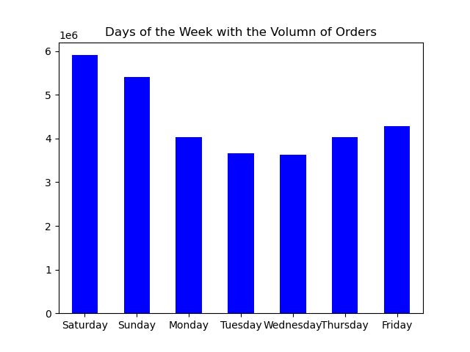
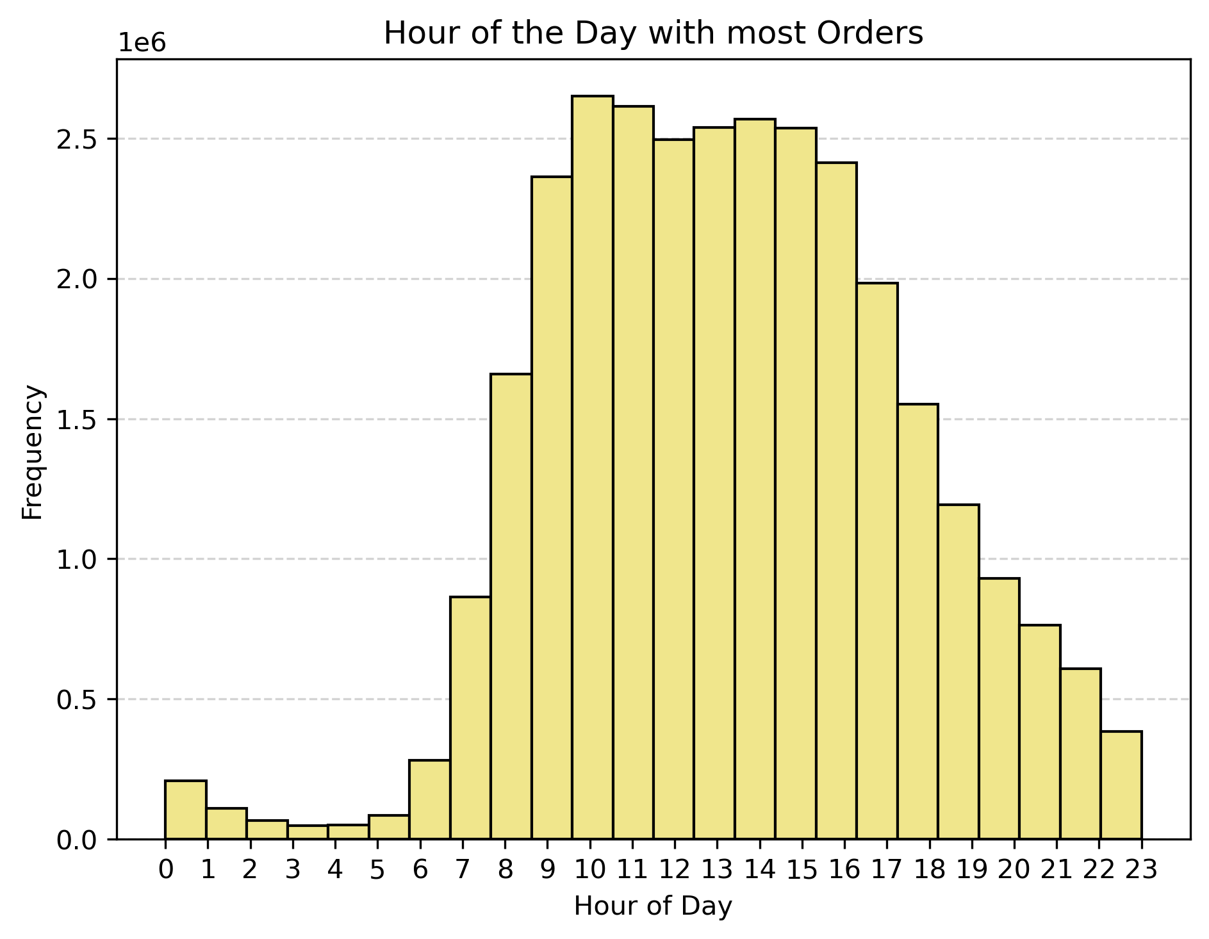
 |  | Busiest days of the week are
 |  | 1. Saturday
 |  | 2. Sunday
 |  | 3. Friday

 |  | Busiest hours of the day are
 |  | From 9:00 to 16:00

 | Are there particular times of the day when people spend the most money?

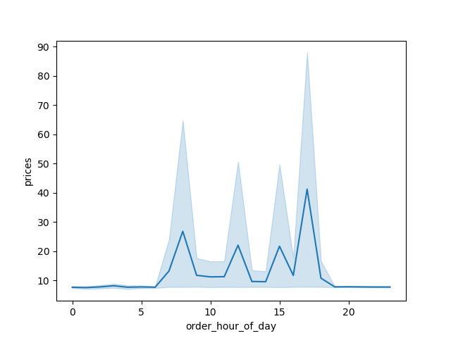
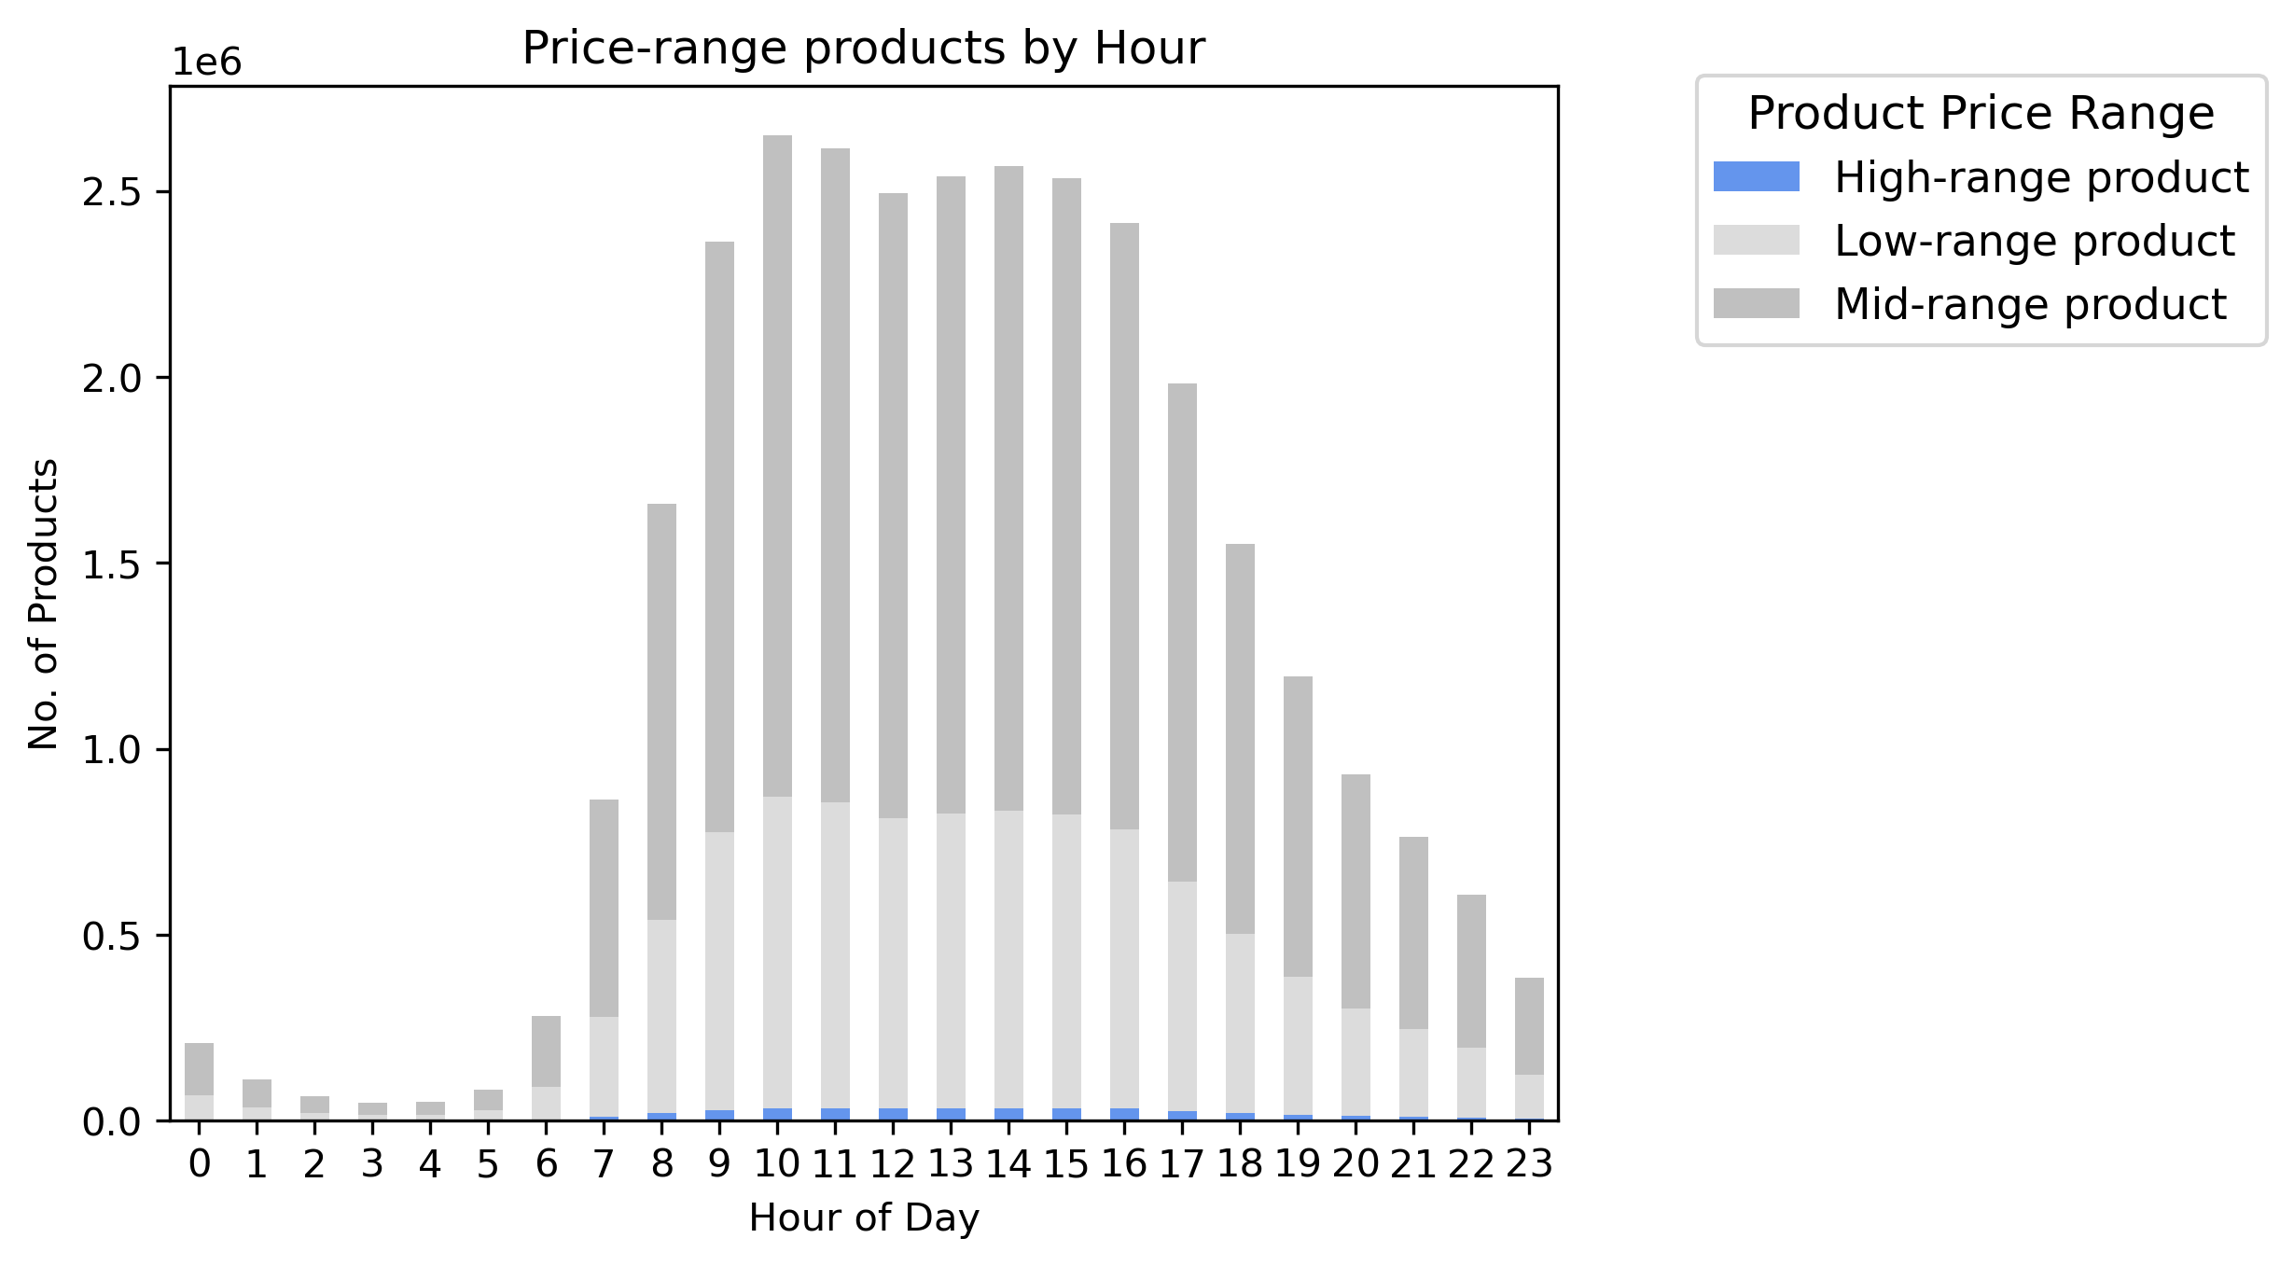

 |  | As observed during the busiest hours, the highest spending occurs between approximately 8:00 AM and 5:00 PM. During this period, the majority of high-range products are also purchased, indicating a strong correlation between peak spending times and high-value orders.”

 | Price range groupings:
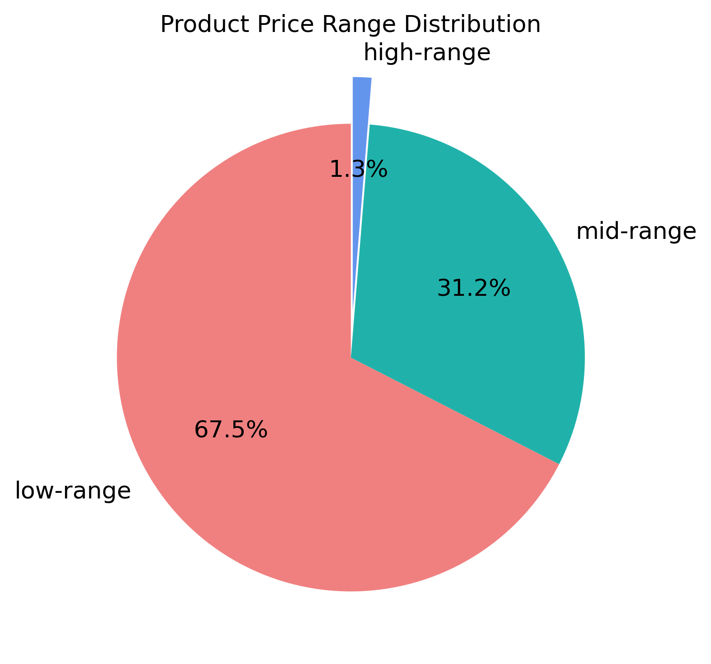

 |  | Price range distribution:

 |  | High-range: $15.01 or more

 |  | Mid-range: between $5 and $15

 |  | Low-range: less than $4,99

 |  | El 1.3% of the products is considered High-range, the 31.2% is Mid-range and the mayority 67.5% is Low-range

 | More popular products and department with the most sales
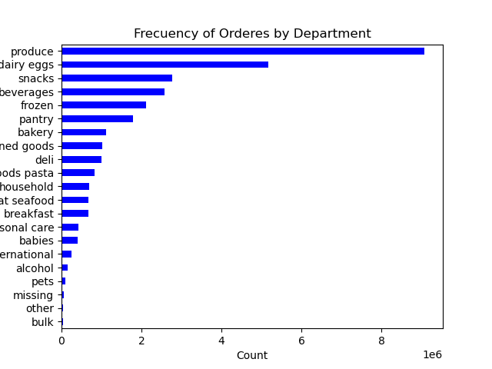
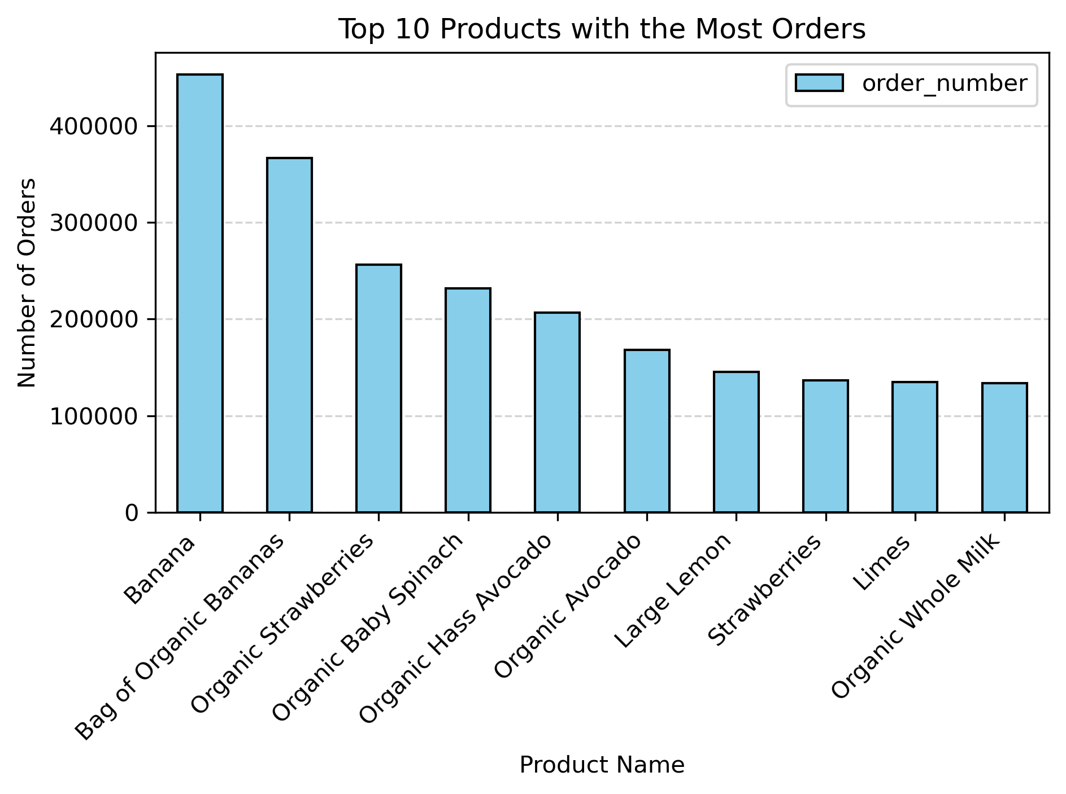
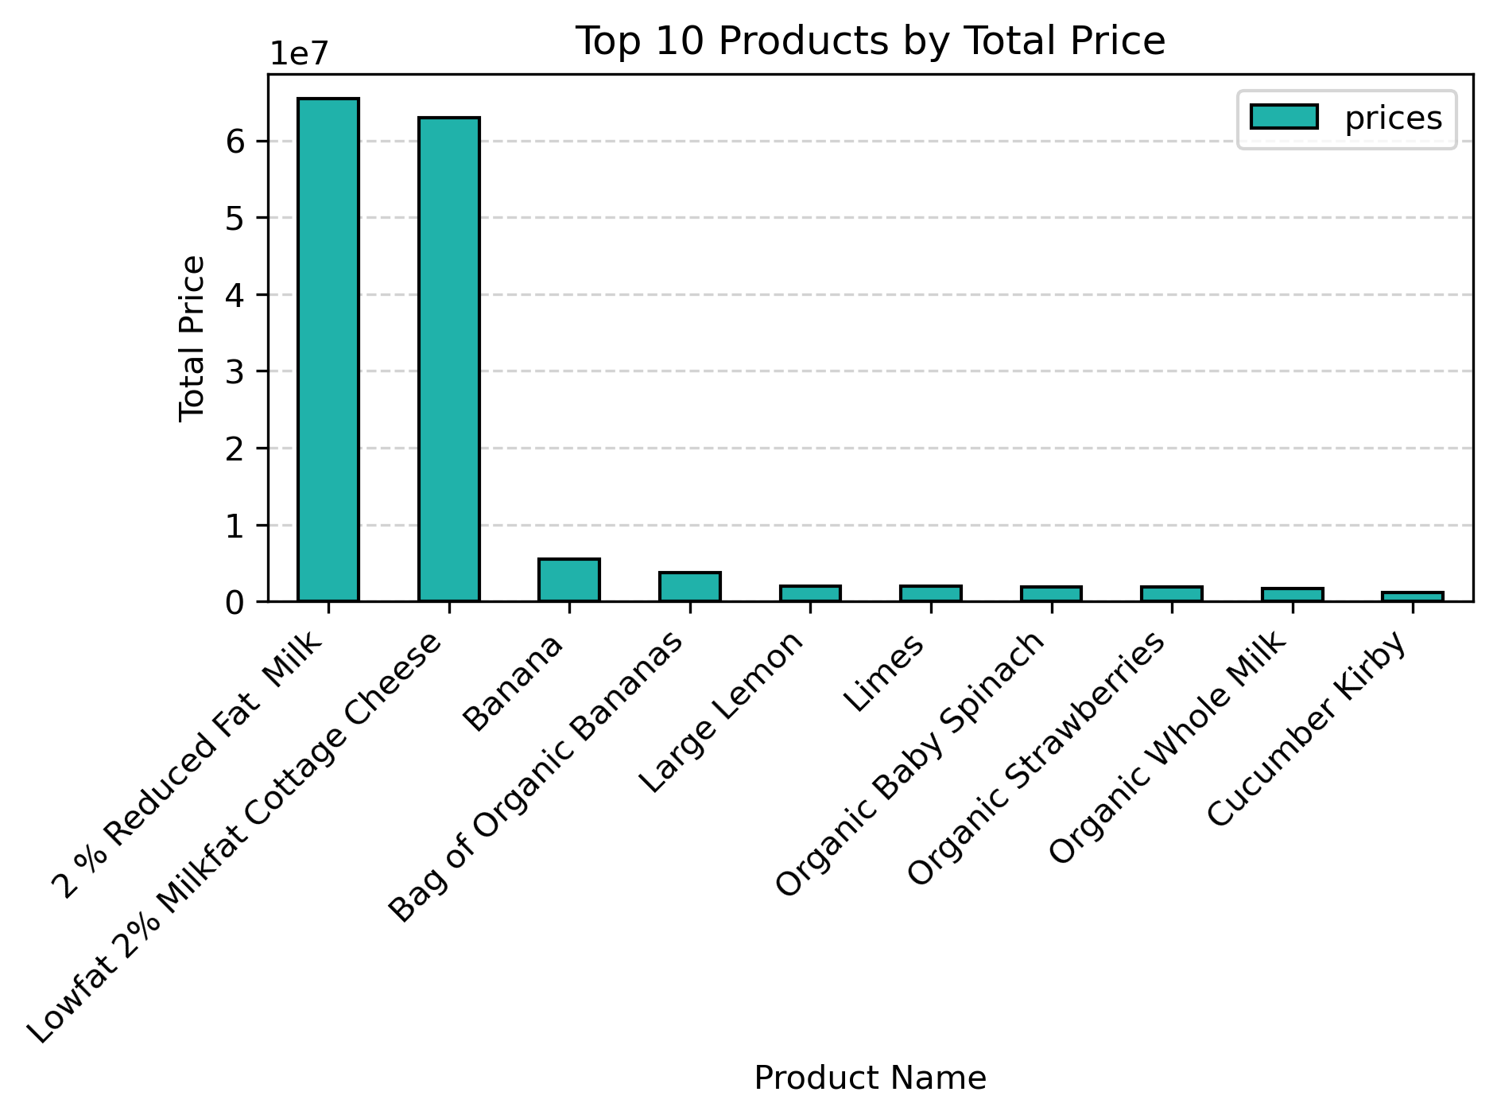
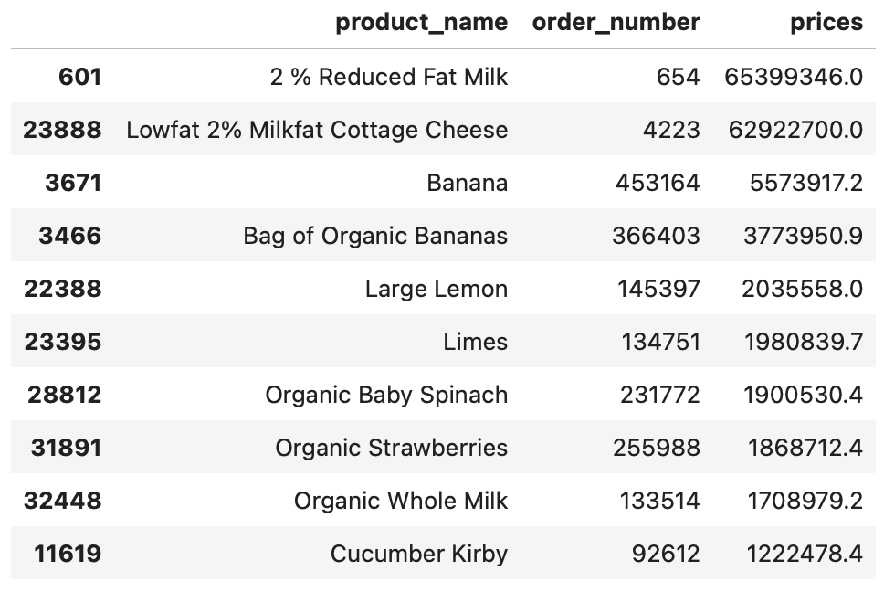
 |  | The most popular products with top sales are '2% reduced fat milk' and 'Lowfat 2% milkfat cottage chesse.

 |  | The top products with the most amount of orders are 'Banana', 'Bag of organic Bananas', and ' Organic Strawberries'

 |  | The most popular departmet with the most orders are 'Produce', 'Dairy eggs', 'Snacks', and ' beverages'.

Marketing and Sales team questions

 | What’s the distribution among users in regards to their brand loyalty (i.e., how often do they return to Instacart)?
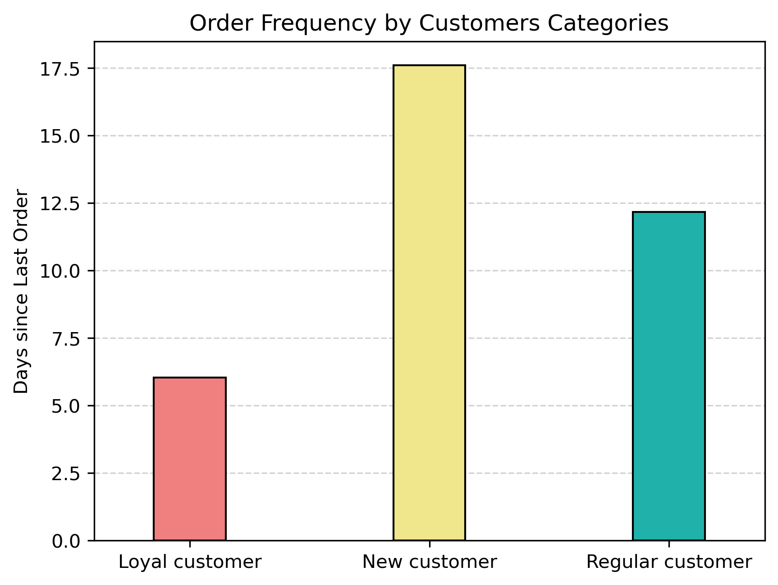
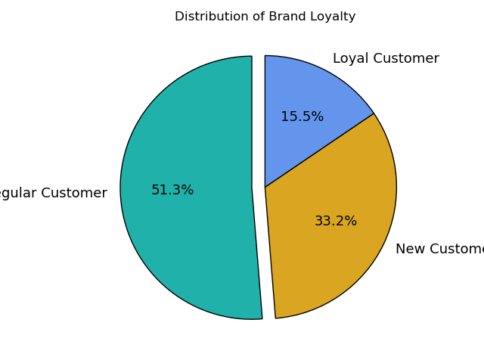
 |  | Customer Categories Distribution:
 |  | 15.5% Loyal Customers
 |  | 51.3% Regular Customers
 |  | 33.2% New Customers

 |  | Customers frequency
 |  | Loyal frequent customers are returning to the store on average every 6 days
 |  | Regular customers are returning to Instacard on average every 12 days.
 |  | New customers are returning to instacard on average every 17.5 days.

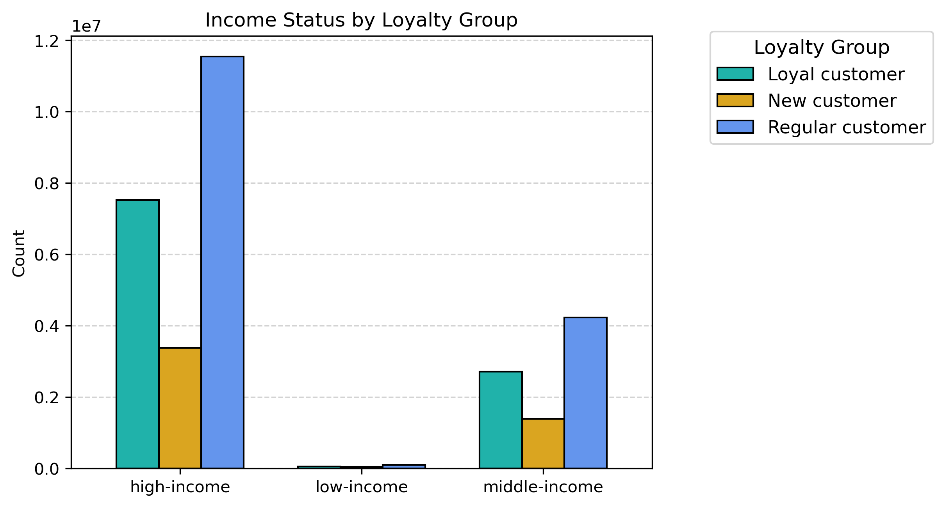
 | Are there differences in ordering habits based on a customer’s loyalty status?
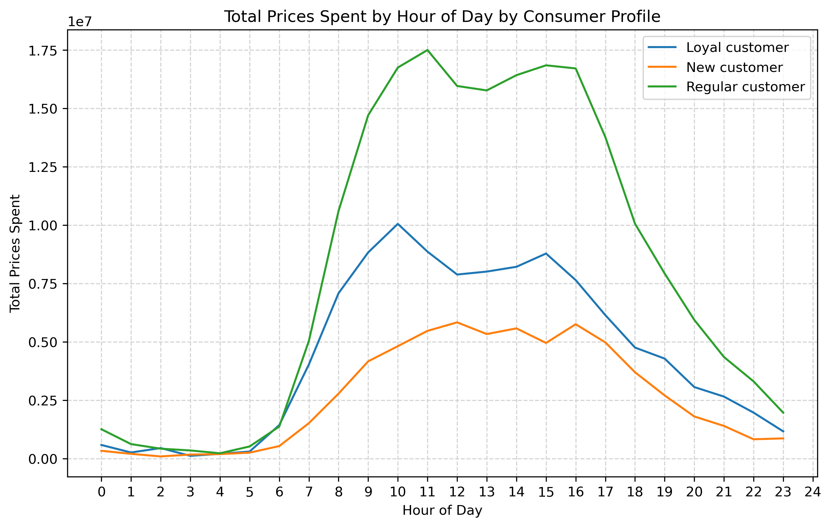

 |  | Regular customers spend more on valuable products.

 |  | There are not difference in hour patterns of shopping between the diferent customers categories.

 | Are there differences in ordering habits based on a customer’s region?

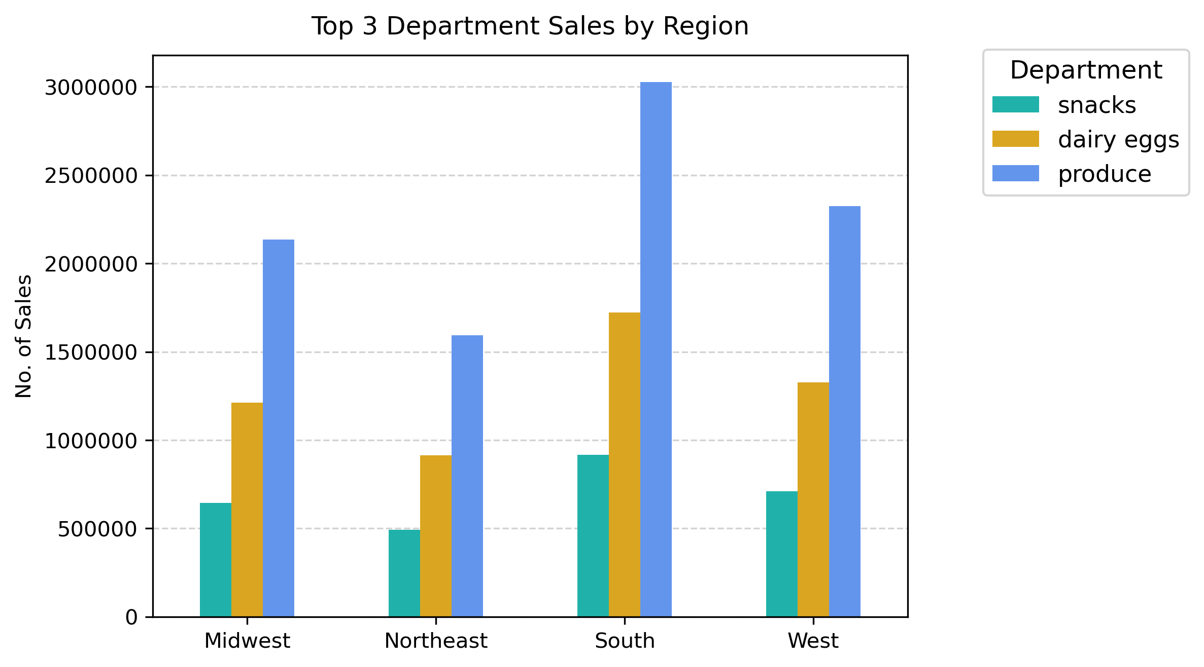
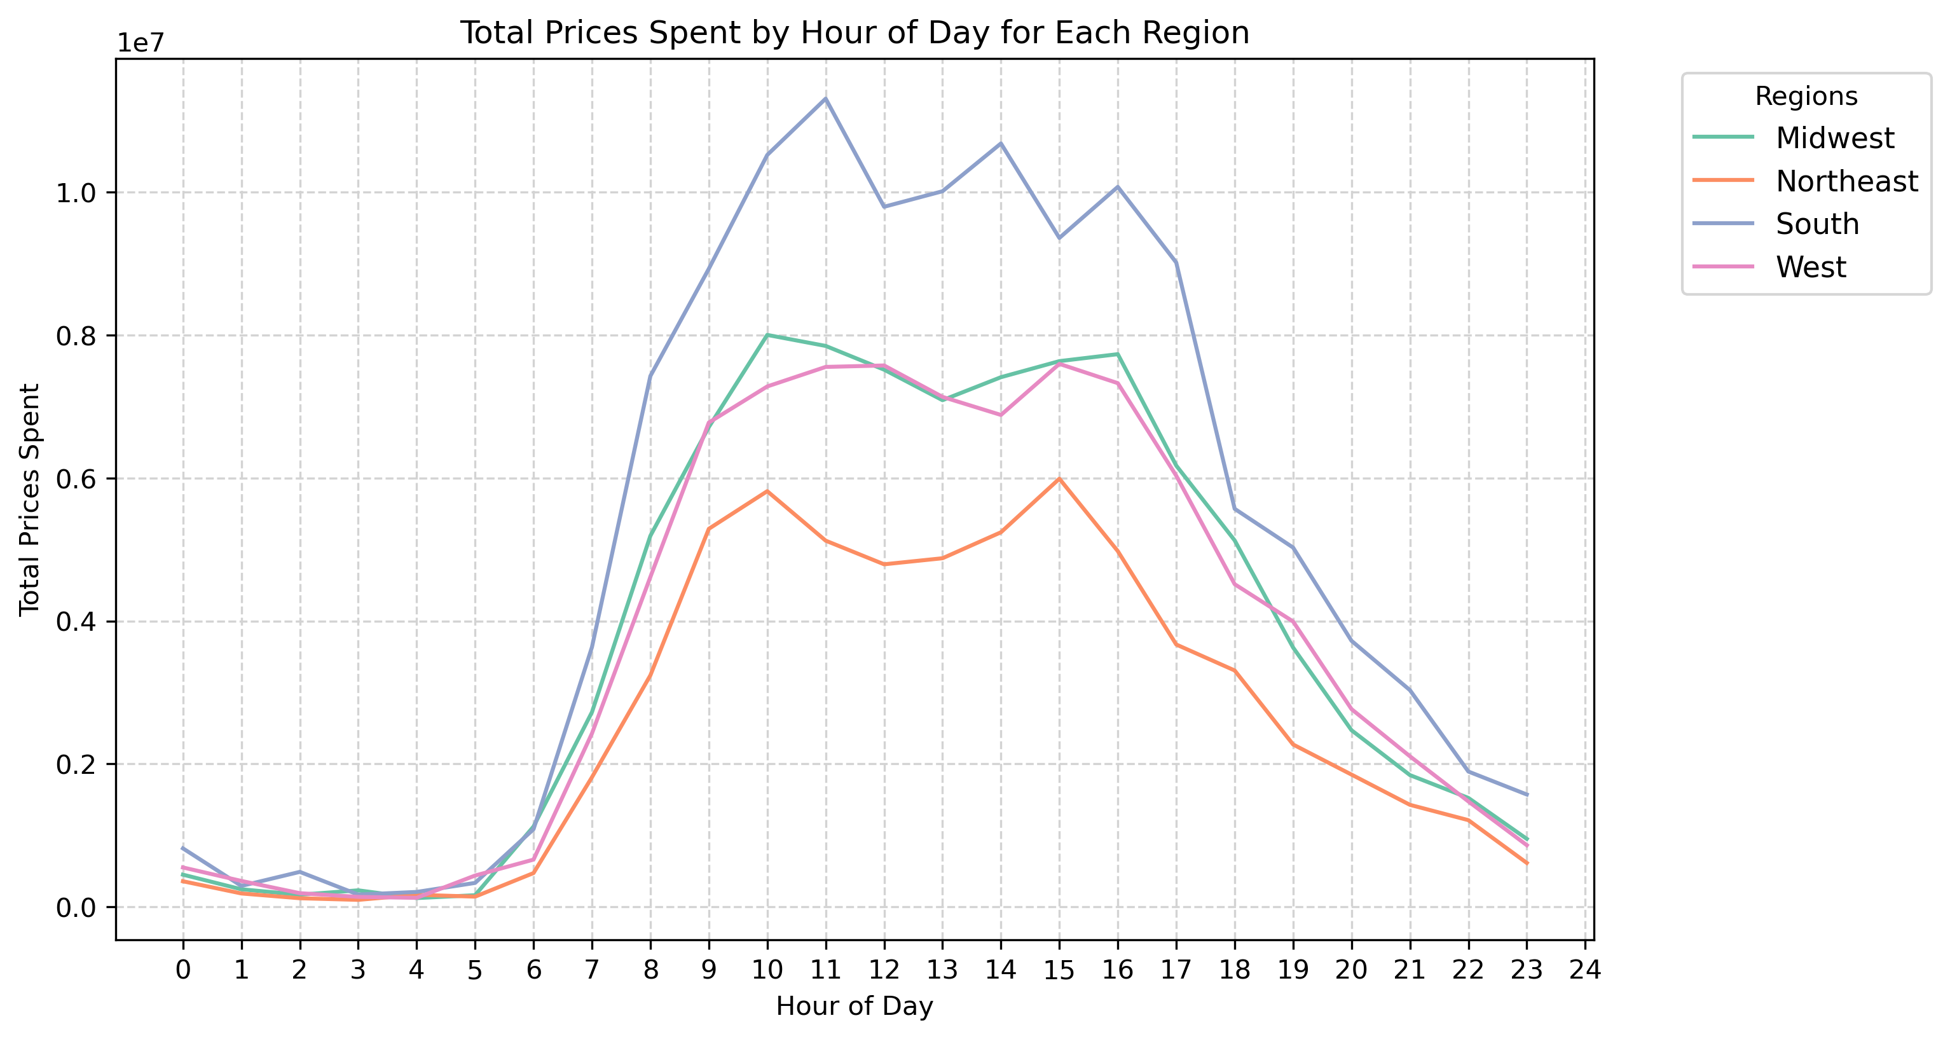

 |  | There are not significant difference in ordering habits bassed in the diferent regions.

 | Is there a connection between age and family status in terms of ordering habits?

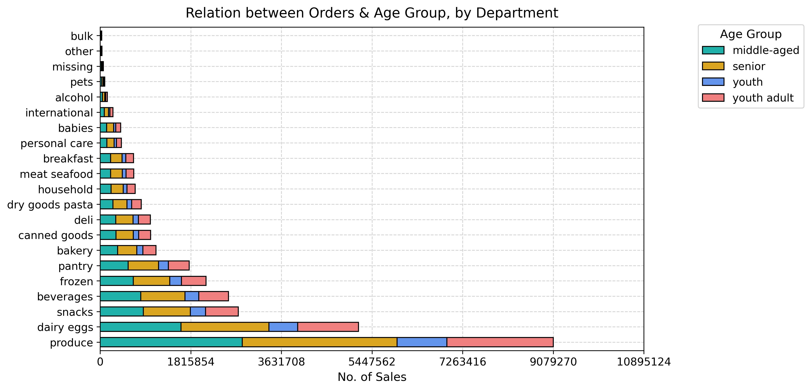
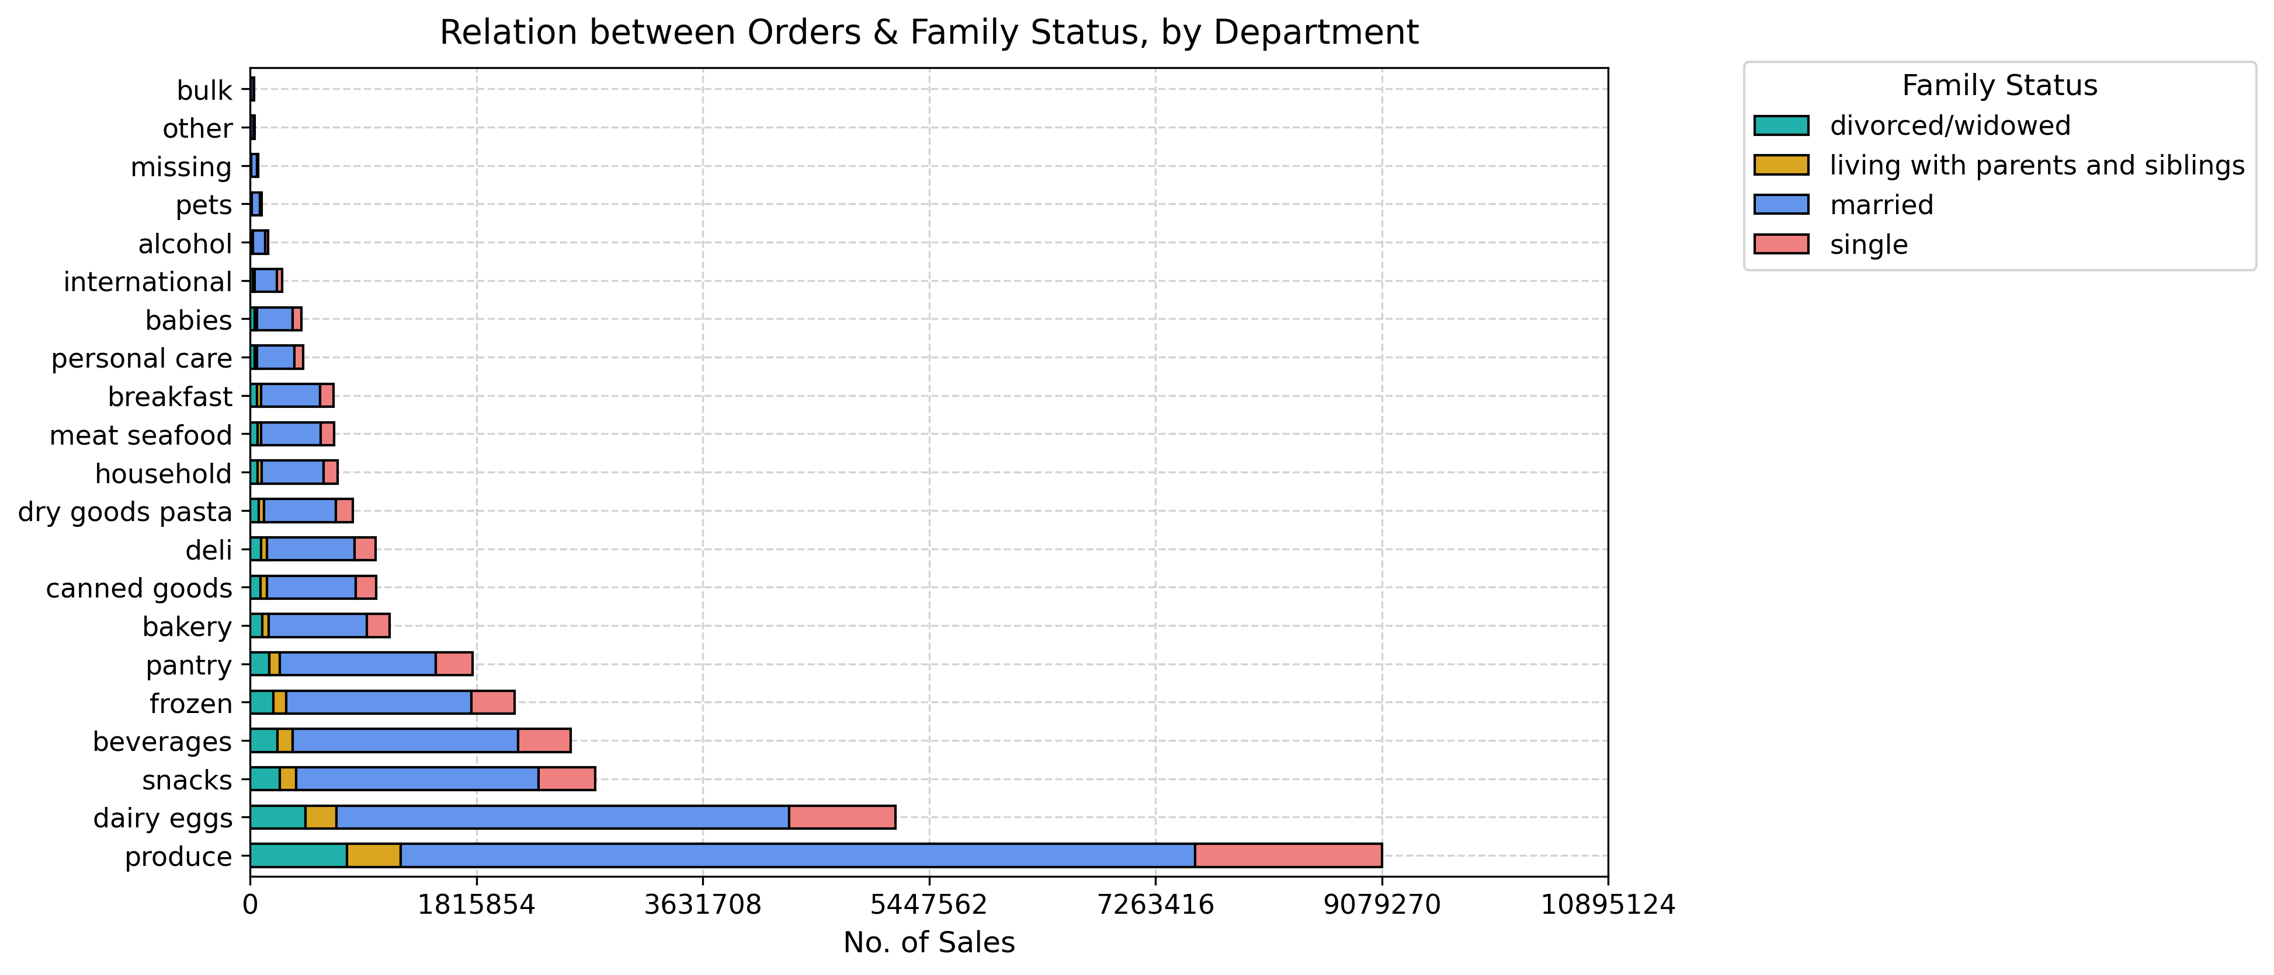
 |  | There are not significant conection betweenage and family status in terms of ordering habits. The relationship between orders and age groups is porportionate to the group segment.

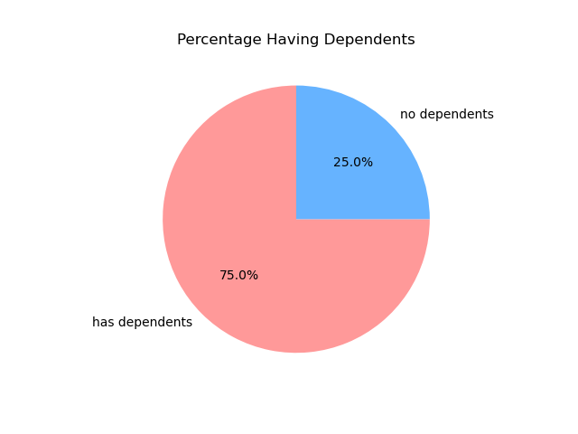
 | What different classifications does the demographic information suggest? Age? Income? Certain types of goods? Family status?
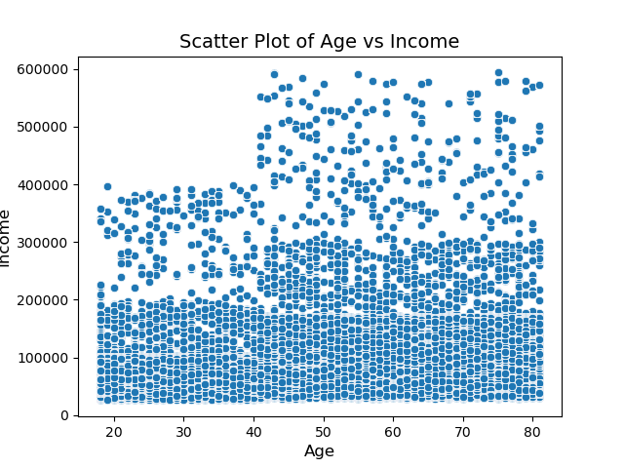
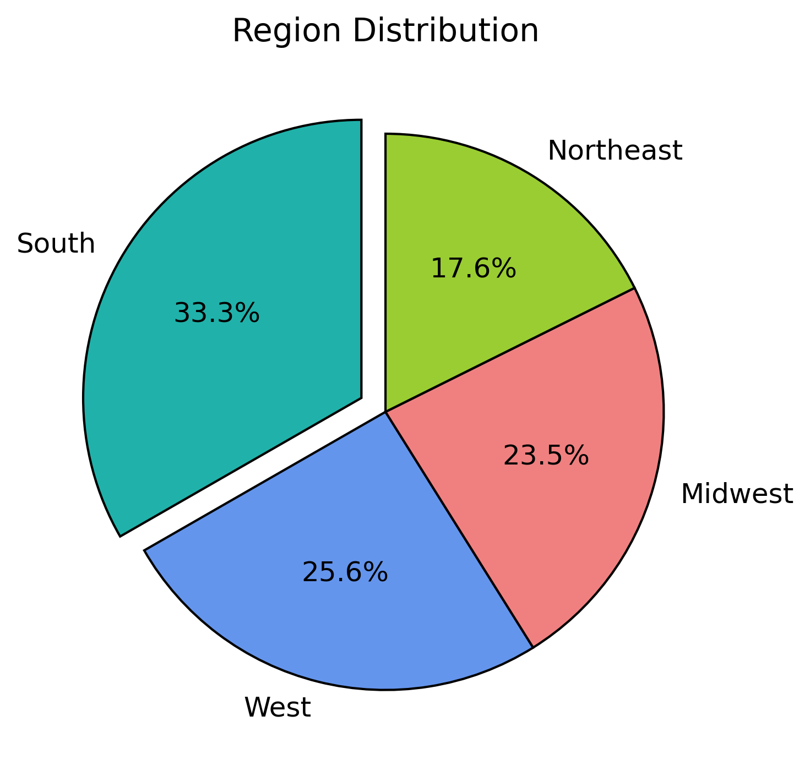
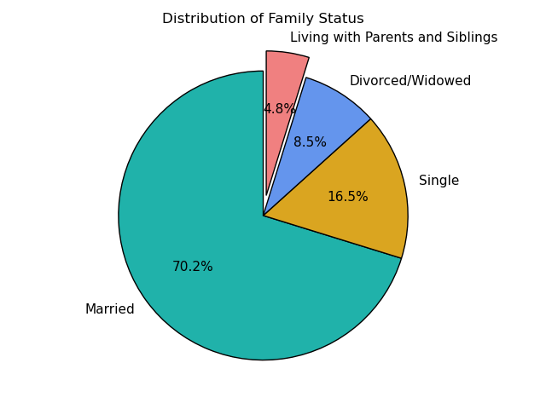
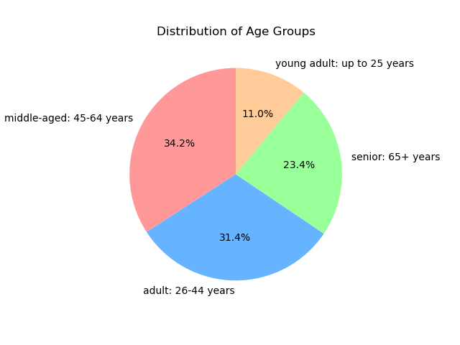
 |  | We have distribution by
 |  | Age Groups
 |  | Region distribution (location)
 |  | Family Status
 |  | Having dependets ot not
 |  | Brand Loyalty
 |  | Income

 | What differences can you find in ordering habits of different customer profiles? Consider the price of orders, the frequency of orders, the products customers are ordering, and anything else you can think of.

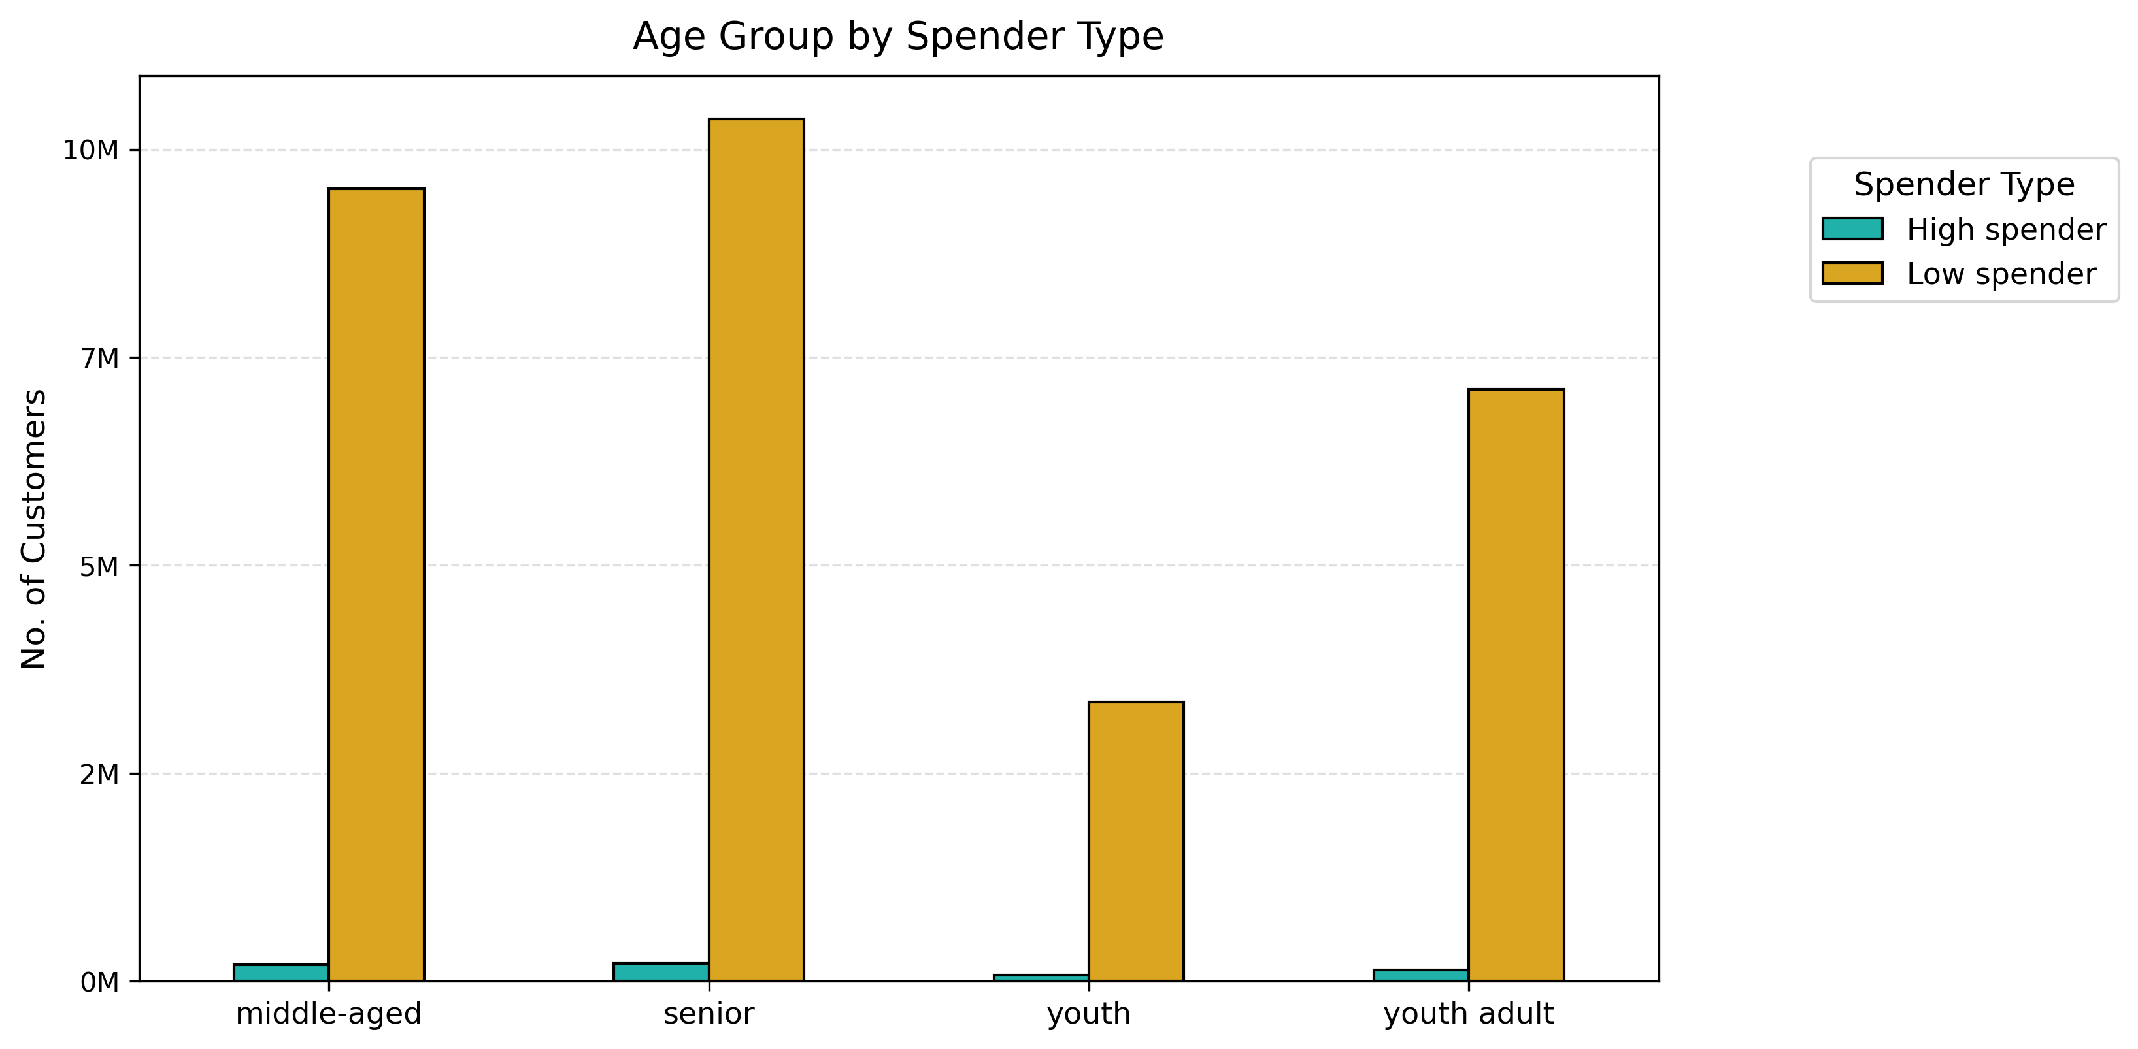
 |  | Although middle-aged people are the largest population with , followed by adults, the group that spends the most in the store is the seniors.

 |  | Seniors have the highest purchasing power, with the highest income.

 |  | Although most of the clients are married, they reflect few orders, while divorced/widowed people make more than half of the orders, being our largest order makers.

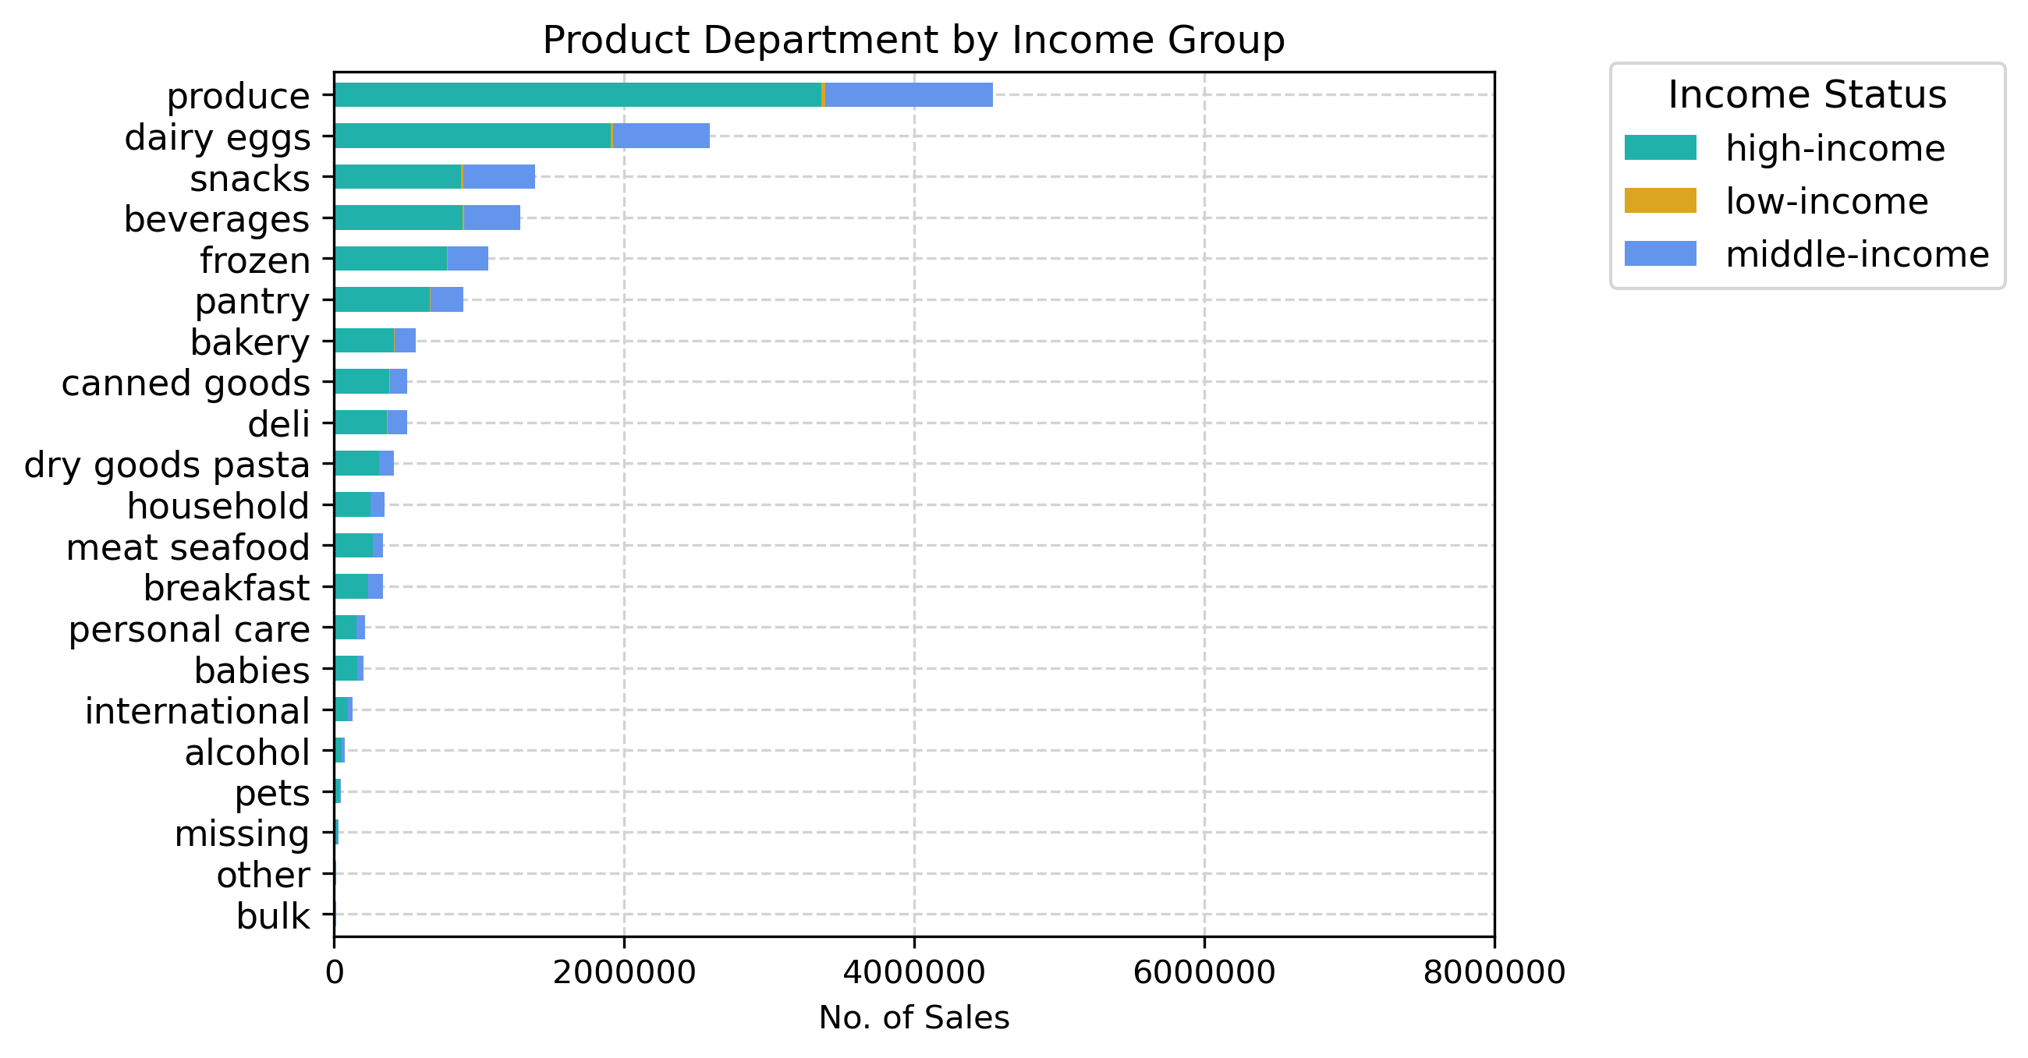
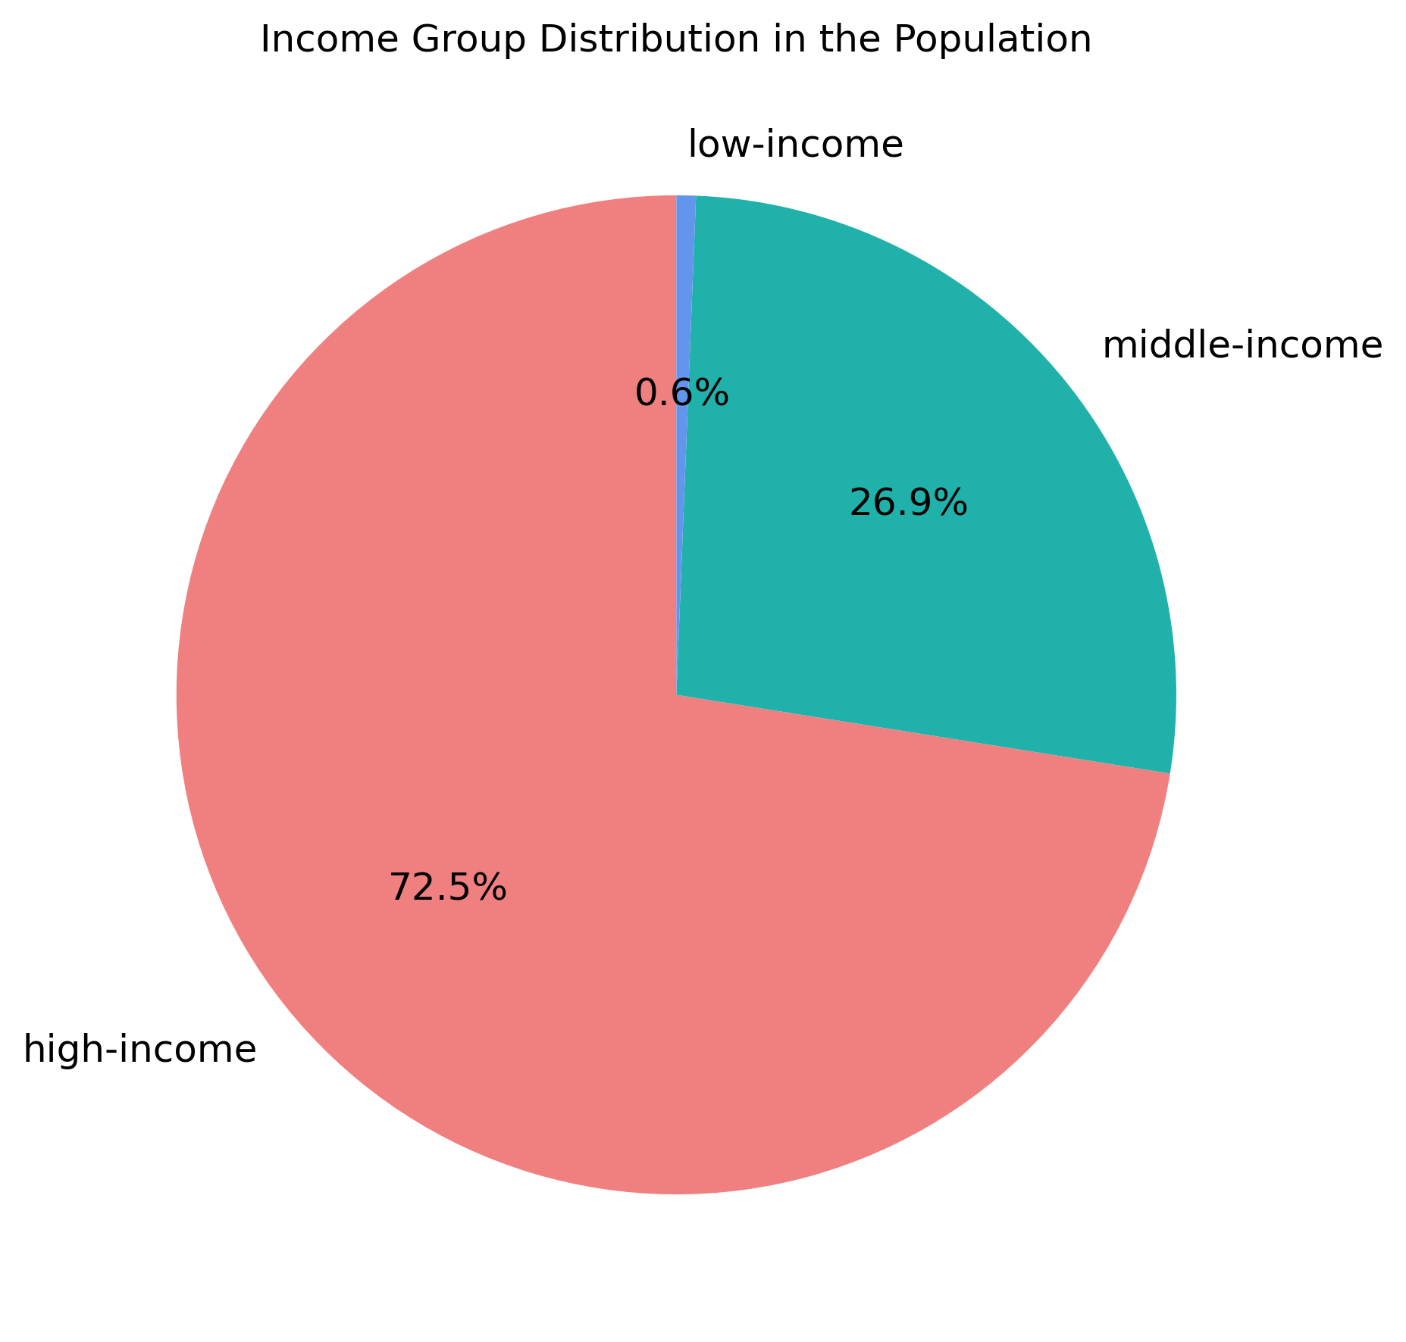
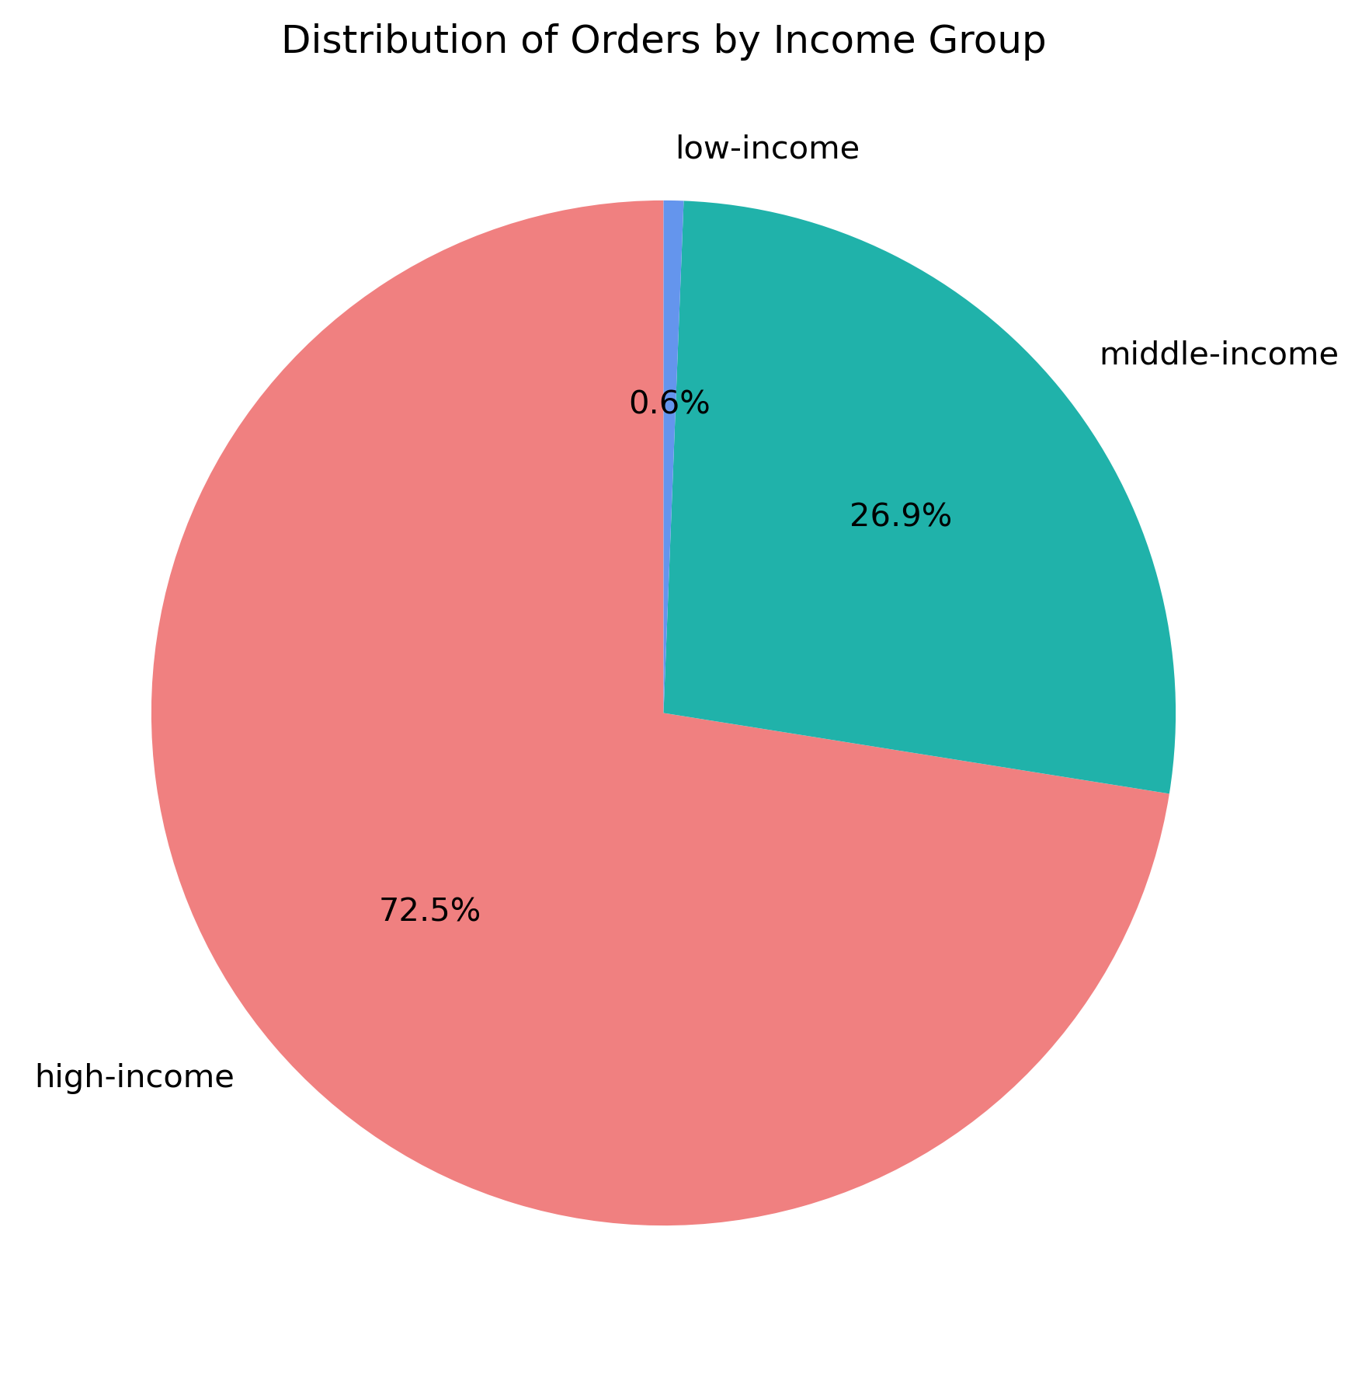
 |  | No significance difference found between Customers income profiles.

 |  | The mayority of the customers categorized as high-income are doing the mayority of orders as well.

7. Recommendations
 |  |  |  | Title page

Recommendations

In this tab you should include any recommendations you would made to Instcart in terms of their marketing strategy based on the questions posed in the brief. Every key question has been covered in the Tasks of the Exercises - here you need to add an item - a visualisation or table/crosstable that is showing the answer in the data, acompanied by a comment from you. Please, list the questions below and add the answer underneath.

Key Question 1 | Question | Answer | Recommendation
 | What the busiest days of the week and hours of the day are? (i.e., the days and times with the most orders) | Saturday and Sunday are the busiest days of the week, while Tuesday and Wednesday are the least busy. The highest volume of orders is placed between 9:00 AM and 4:00 PM. | • Since weekends are the peak shopping days, ensure adequate staffing in warehouses and delivery teams to handle increased demand. • Consider offering weekday discounts or promotions to encourage more orders on slower days (Tuesday and Wednesday). • Optimize inventory and logistics planning to ensure popular products remain in stock during peak hours.

Key Question 2 | Question | Answer | Recommendation
 | Are there particular times of the day when people spend the most money? | The highest spending occurs between 8:00 AM and 5:00 PM, which aligns with the busiest shopping hours. During this time, high-value products are also purchased the most. | • Launch targeted promotions or limited-time discounts on high-value items during non-peak hours to encourage more spending throughout the day. • Optimize warehouse operations and staffing during peak hours to ensure smooth order fulfillment. • Consider offering express delivery or priority services for high-value purchases during peak hours.

Key Question 3 | Question | Answer | Recommendation
 | What are the most popular products and the departments with the most sales? | • Top-selling products by revenue: ‘2% Reduced Fat Milk’ and ‘Low-Fat 2% Milkfat Cottage Cheese.’ • Most frequently ordered products: ‘Bananas,’ ‘Bag of Organic Bananas,’ and ‘Organic Strawberries.’ • Top-selling departments: ‘Produce,’ ‘Dairy & Eggs,’ ‘Snacks,’ and ‘Beverages.’ | • Ensure continuous stock availability for high-demand products to prevent shortages, especially for dairy and fresh produce. • Introduce bundled promotions (e.g., discounts on complementary items like milk and cereal) to increase sales. • Use targeted ads to promote best-selling products and encourage cross-category purchases.

Key Question 4 | Question | Answer | Recommendation
 | What’s the distribution of customers based on their brand loyalty? | • Loyal customers return approximately every 6 days. • Regular customers return every 12 days on average. • New customers return every 17.5 days on average. | • Implement a loyalty rewards program offering incentives (e.g., discounts, exclusive deals) to encourage frequent purchases. • Use personalized email marketing to engage new customers and convert them into regular buyers. • Offer subscription-based discounts for loyal customers to keep them engaged.

Key Question 5 | Question | Answer | Recommendation
 | Are there differences in ordering habits based on a customer’s loyalty status? | • Regular customers tend to spend more on high-value products. • There are no major differences in shopping hours between different loyalty categories. | • Encourage higher spending among new customers by offering exclusive discounts on high-value products. • Introduce tiered membership perks where more frequent buyers get access to better deals and early product releases. • Use data-driven product recommendations to promote premium items to regular customers.

Key Question 6 | Question | Answer | Recommendation
 | Are there differences in ordering habits based on a customer’s region? | There are no significant regional differences in ordering habits. The region with the most amount of customers has also the biggest amount of orders. South region with 33.3% of the market, West 25.6%, Midwest 23.5% and Northeast 17.6% | • Conduct a more in-depth regional analysis to identify any potential micro-trends that might not be obvious in aggregate data. • Regions with lower customers and engagement, consider localized marketing campaigns to boost sales.

Key Question 7 | Question | Answer | Recommendation
 | Is there a connection between age and family status in ordering habits? | There is no significant correlation between age, family status, and ordering habits. The relationship between orders and age groups is porportionate to the group segment. | • Segment promotions based on age and family status to test whether personalized marketing improves engagement. • Conduct further analysis on product preferences within different demographics.

Key Question 8 | Question | Answer | Recommendation
 | What differences can be found in ordering habits of different customer profiles? | • Seniors spend the most money and have the highest purchasing power. • Middle-aged people are the largest customer group, followed by adults. • Divorced/widowed customers place more than half of the orders, making them the most active shoppers. • High-income customers place the majority of the orders. | • Create marketing campaigns specifically targeting seniors, promoting premium products and convenience services like scheduled deliveries. • Offer family-sized bundles for middle-aged and married customers to encourage higher spending. • Develop targeted promotions for high-income customers, focusing on premium and organic products.

